Strategy Map
Strategy Map Template |  |  |  | A strategy map is a visual representation of an organization’s overall objectives and how they relate to one another. The map is created during the strategic planning process and is used as primary reference material during periodic strategy check-in and review meetings. Use the guide below to help identify your objectives. Replace the numbered objectives on the left with your own objectives. | Here is an example of a fictitious Upward Airlines, a traditional for-profit organization. The financial perspective is placed at the top with the singular goal of increasing shareholder value. The layout of the strategy map reflects a publicly traded organization. Supporting the primary financial goal is the customer perspective. The map breaks down what this airline’s customers value most: reliable departures, comparable (to bus or train) travel, and low prices. The internal perspective shows the airline’s focus on three, big-picture categories; within each category are narrower priorities that offer more specifics. Next, the Learning and Growth perspective shows how an organization can incorporate a union environment into its strategy map and overall values.

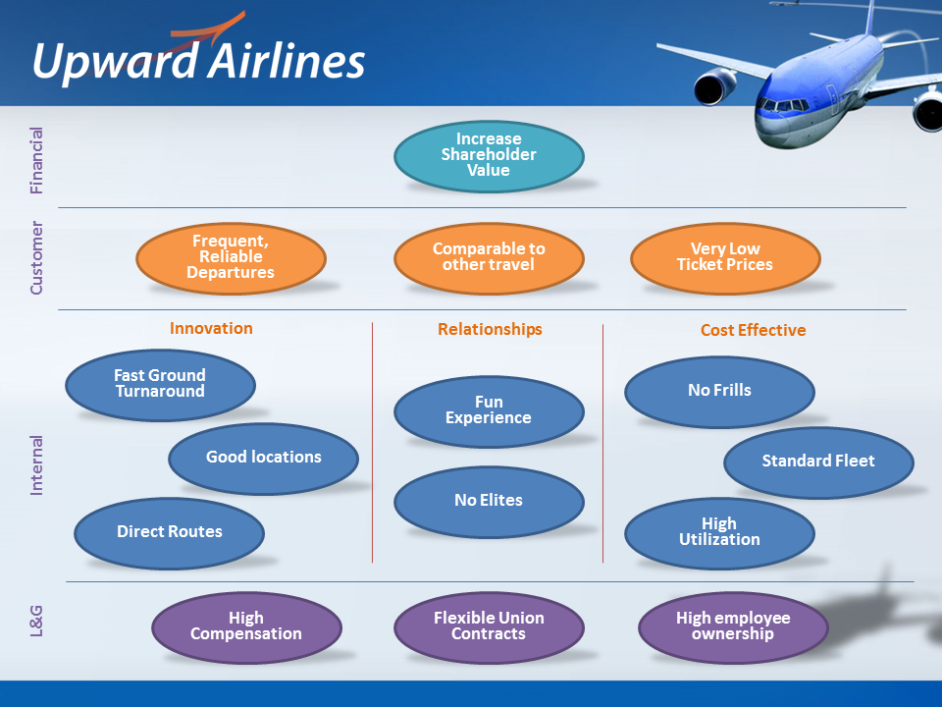
Financial Perspective | Financial Objective 1 | Financial Objective 2 | Financial Objective 3 | This is where you keep your financial goals. You’ll want to be able to answer this question: “If we succeed, how will we look to our donors and shareholders?”

Customer Perspective | Customer Objective 1 | Customer Objective 2 | Customer Objective 3 | This is the section of your strategy map template where you think carefully about the value that you deliver to your customers. Try to answer this question: “To achieve our vision, how must we look to our customers?” You may list things like “quality of product,” “knowledgeable service,” or “ease of use.” Try not to list everything—just the top three or four things.

Internal Perspective | Internal Objective 1 | Internal Objective 2 | Internal Objective 3 | These are the internal processes or things that your organization must do well in order to make your customers happy (and manage your expenses). This could be product, process, or service innovation and is the lifeblood of your long-term company future.

Learning & Growth Perspective | Learning Objective 1 | Learning Objective 2 | Learning Objective 3 | This is the perspective on your strategy map template where you capture your human resources and look at things from a “people” perspective. Perhaps two of these goals might be to “build engineering talent” and “institute greater accountability” throughout the organization.

 |  |  |  | Learn how ClearPoint can help you manage and automate your strategy reporting:

 |  |  |  | www.ClearPointStrategy.com

Blue Ocean
Blue Ocean Strategy | The objective of a Blue Ocean Strategy is for organizations to find and develop “blue oceans” (uncontested, growing markets) and avoid “red oceans” (overdeveloped, saturated markets). A company will have more success, fewer risks, and increased profits in a blue ocean market. | Below is a simple comparison chart that will help you understand if you’re working in a blue ocean or a red ocean:

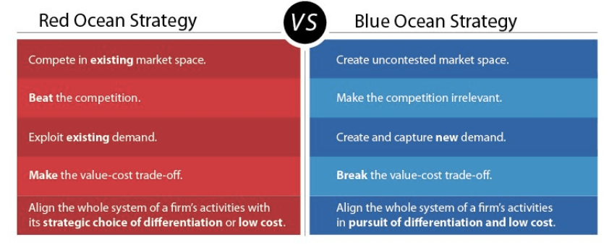
Strategy 1
Strategy 2
Strategy 3
Strategy 4 | Taking a Blue Ocean approach means your goal isn’t to outperform the competition. Instead, your aim is to redraw industry boundaries and operate within that new space, making the competition immaterial. Use the comparison to the right to guide your Blue Ocean Strategy planning!
Strategy 5
Strategy 6 |  | Learn how ClearPoint can help you manage and automate your strategy reporting:
Strategy 7 |  | www.ClearPointStrategy.com

VRIO
 | VRIO Analysis |  |  |  |  | The VRIO framework is an acronym for “value, rarity, imitability, organization.” This framework relates more to your vision statement than your overall strategy. The ultimate goal in implementing the VRIO model is that it will result in a competitive advantage in the marketplace. Once you answer these four questions, you’ll be able to formulate a more precise vision statement to help carry you through all the additional strategic elements in your plan. Replace "Resource/Capability" with your company's resource or capability and follow the diagram answering the questions underneath each VRIO.

 | Value | Rarity | Imitability | Organization

 | Do you offer a resource that adds value for customers? | Do you control scarce resources or capabilities? | Is it expensive to duplicate your organization's resource or capability? | Does your company have organized management systems, processes, structures, and a culture to capitalize on resources and capabilities?

Resource/Capability 1 | Yes/No | Yes/No | Yes/No | Yes/No | Your company has achieved the ultimate goal of sustained competitive advantage!

YES
YES
YES
Resource/Capability 2 | Yes/No | Yes/No | Yes/No | Yes/No
YES

Resource/Capability 3 | Yes/No | Yes/No | Yes/No | Yes/No

Resource/Capability 4 | Yes/No | Yes/No | Yes/No | Yes/No

NO
NO
NO
NO

 |  |  |  |  |  | Learn how ClearPoint can help you manage and automate your strategy reporting:

 | Competitive Disadvantage | Competitive Parity | Temporary Competitive Advantage | Unused Competitive Advantage

 |  |  |  |  |  | www.ClearPointStrategy.com

